How to Use This Document
HOW TO USE THIS DOCUMENT
Microsoft Excel organizes content into cells, worksheets, and workbooks. Cells are identified by row and column references. Row 1, Column A would be called cell A1.
This document is a workbook containing several worksheets. The worksheets are accessible by clicking on a tab on the very bottom of the program screen. For example, this worksheet tab is labeled, "How to Use This Document". To access another worksheet (Adapted CTE Blueprint, Ackowledgements, etc.), click on another worksheet tab at the bottom of the program screen. Additionally, small arrows are on the far left, lower part of the program screen. These are used to scroll left/right in the event the tabs are hidden while using the program.

Worksheets in this workbook are labeled as (click for direct links):
1. | Adapted CTE Blueprint
2. | Adapted CTE Blueprint Primer
3. | Certification Content Outline
4. | Important Policies
5. | Acknowledgements
6. | Assessment and Equipment

Each Blueprint contains the:
1. | Official course number and title
2. | Program area
3. | Course description
4. | Hours of instruction
5. | Recommended maximum enrollment
6. | Prerequisite courses
7. | Career cluster alignment with completers noted where applicable
8. | Essential standard and indicator numbers
9. | Essential standard and indicator statements
10. | Relative course weights for each essential standard and indicator statements
11. | RBT Designation for each essential standard and indicator
12. | Column for Local Use
13. | Contact information
14. | Most current version date

Career Cluster Two-letter Abbreviations:
1. | Agriculture, Food, & Natural Resources | AG
2. | Architecture & Construction | AC
3. | Arts, A/V Technology, & Communications | AR
4. | Business Management & Administration | BM
5. | Education & Training | ED
6. | Finance | FN
7. | Government & Public Administration | GV
8. | Health Science | HL
9. | Hospitality & Tourism | HT
10. | Human Services | HU
11. | Information Technology | IT
12. | Law, Public Safety, Corrections & Security | LW
13. | Manufacturing | MN
14. | Marketing | MK
15. | Science, Technology, Engineering, & Mathematics | ST
16. | Transportation, Distribution & Logistics | TD

Certification Content Outline
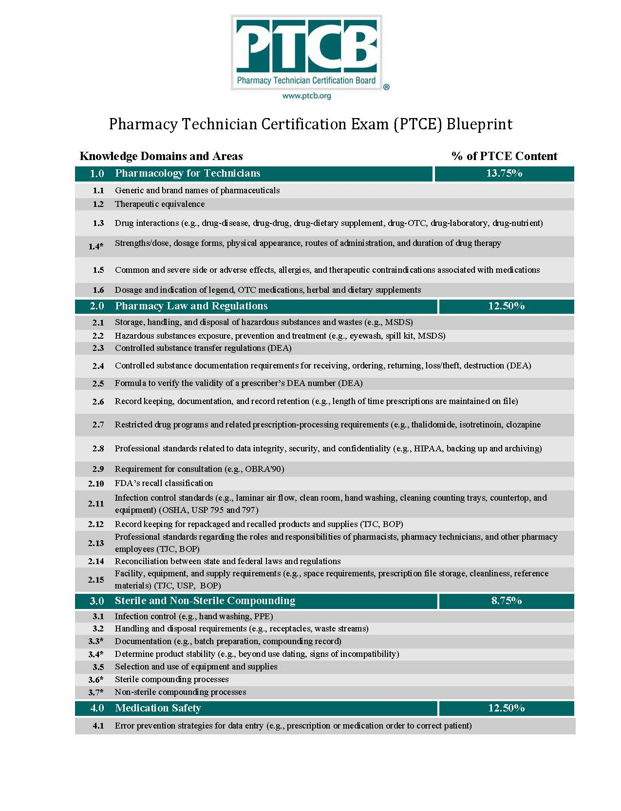

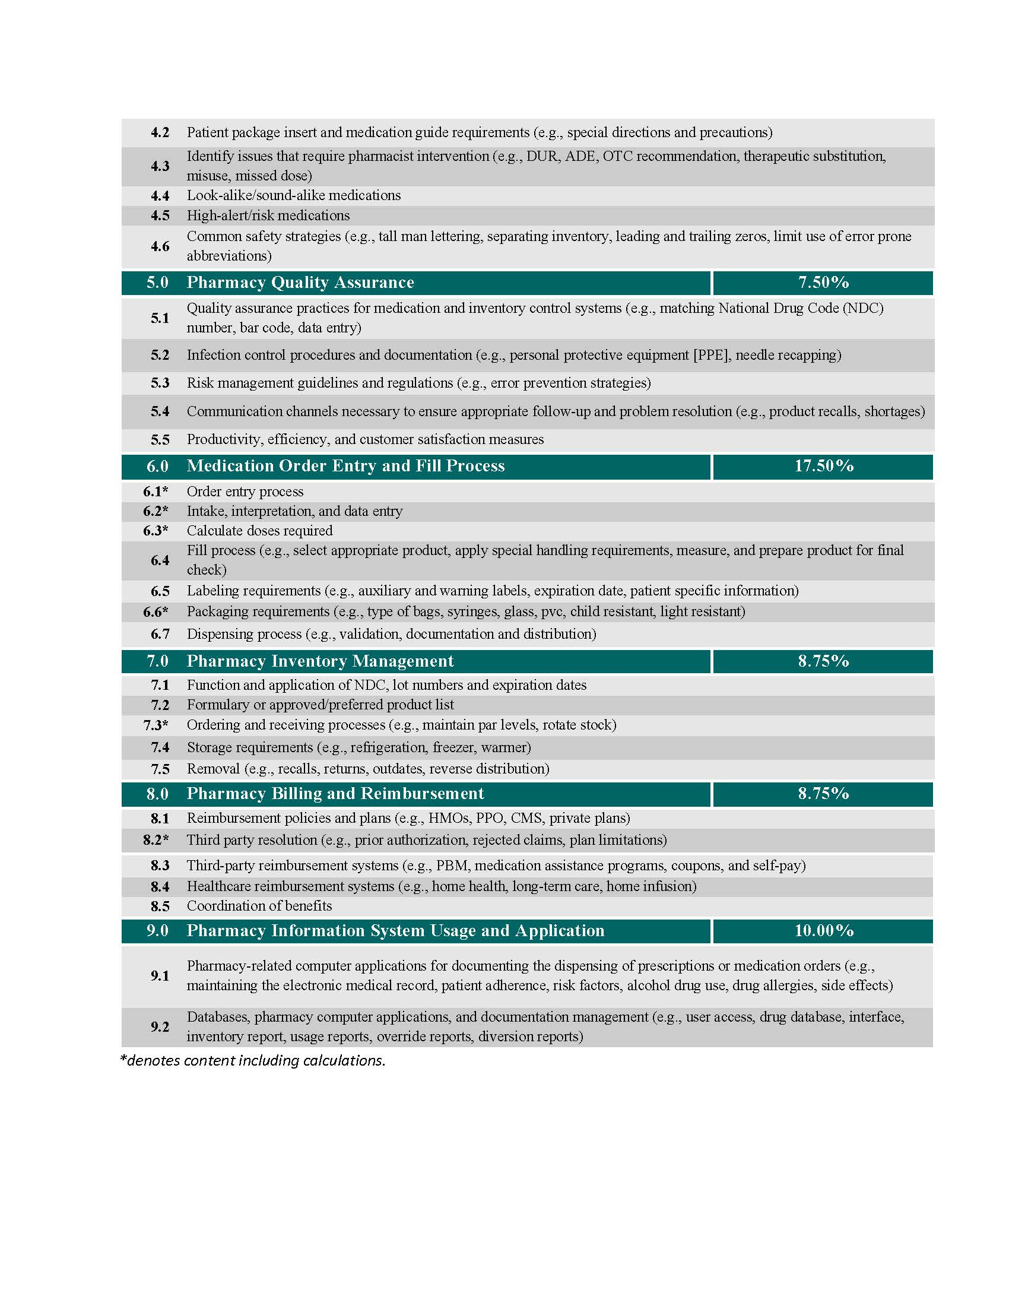

Adapted CTE Blueprint Primer
Adapted CTE Course Blueprint
Essential standards are big, powerful ideas that are necessary and essential for students to know to be successful in a course. Essential standards identify the appropriate verb and cognitive process intended for the student to accomplish. Essential standards provide value throughout a student’s career, in other courses, and translate to the next level of education or world of work.
This document lays out the essential standards for a specific course leading to industry certification. The Pharmacy Technician Certification Board (PTCB) is the certifying organization for Pharmacy Technician. The PTCB content outline is used to write the essential standards. The essential standards use Revised Bloom’s Taxonomy (RBT) category verbs (remember, understand, apply, analyze, evaluate, create) that reflect the overall intended cognitive outcome of the indicators written by PTCB. Each essential standard and indicator reflects the intended level of learning through two dimensions; The Knowledge Dimension is represented with letters A-C, and the Cognitive Process Dimension by numbers 1-6.
The Adapted CTE Course Blueprint includes units of instruction, essential standard(s) for each unit, and the specific indicators aligned with PTCB. Also included are the relative weights of the units and essential standards within the course. The industry certification reflected in this document is certified pharmacy technician.
This document will help teachers plan for curriculum delivery for the year, prepare daily lesson plans, and construct valid formative, benchmark, and summative assessments. Curriculum for this course is not provided by NCDPI. Industry curriculum providers reviewed and approved for this course collaborated with the North Carolina Department of Public Instruction (NCDPI) to develop a valid and reliable test item bank used to produce a secure postassessment administered by NCDPI. Assessment for this course is written at the level of the ESSENTIAL STANDARD and assesses the intended outcome of the sum of its indicators. The following industry curriculum providers participated in the development of the secure test item bank. To assure alignment of the postassessment with the credential, the following curriculum providers have been reviewed and determined to provide curriculum to cover the essential standards. The curriculum provider is PassAssured.
For additional information about this blueprint, contact the Division of Career and Technical Education, North Carolina Department of Public Instruction, 6361 Mail Service Center, Raleigh, North Carolina 27699-6361.
Reference: Anderson, Lorin W. (Ed.), Krathwohl, David R. (Ed.), et al., A Taxonomy for Learning, Teaching, and Assessing: A Revision of Bloom’s Taxonomy of Educational Objectives, Addison Wesley Longman, Inc., New York, 2001.

Column Heading | Column information
ES# Ind.# | ES=Essential standard number (two digits); Ind.=Indicator number (essential standard number and two-digit objective number).
Essential Standard and Indicator Statements | Essential standards and specific indicators objectives per essential standard. Each essential standard statement or specific indicator begins with an action verb and makes a complete sentence when combined with the stem “The learner will be able to. . .” (The stem appears once in Column 2.) Outcome behavior in each essential standard/indicator statement is denoted by the verb plus its object.
Course Weight | Shows the relative importance of each indicator and essential standard. Course weight is used to help determine the percentage of total class time that is spent on each indicator.
RBT Designation | Classification of outcome behavior in essential standards and indicator statements in Dimensions according to the Revised Bloom’s Taxonomy. (Cognitive Process Dimension: 1 Remember, 2 Understand, 3 Apply, 4 Analyze, 5 Evaluate, 6 Create) (Knowledge Dimension: A Factual Knowledge, B Conceptual Knowledge, C Procedural Knowledge).
Local Use | Space for use by Local Education Agencies.

